Statistical sig for coefs
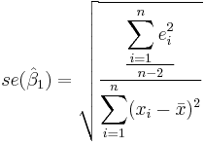

 |  | SSE/n-p-1 equals | 0.36666666667 | equals the mean squared error
 |  | SSxx equals | 10
 |  | divide one by the other | 0.036666666667
 |  | take square root | 0.19148542155 | equals std error for b1

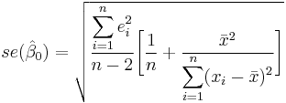
 |  | SSE/n-2 equals | 0.36666666667 | equals the mean squared error
 |  | mean of x squared | 9
 |  | SSxx | 10
 |  | 1/n | 0.2

 |  | mean of x squared divided by SSxx | 0.9
 |  | add 1/n to above | 1.1
 |  | multipley by Std error of estimate | 0.40333333333
 |  | take square root of above | 0.63508529611 | equals std error for b0

 | t value equals | b0/Std error for b0 | -0.15745916432
 | t value equals | b1/Std error for b1 | 3.6556307751

Confidence intervals build on the above as follows:

